Start Here
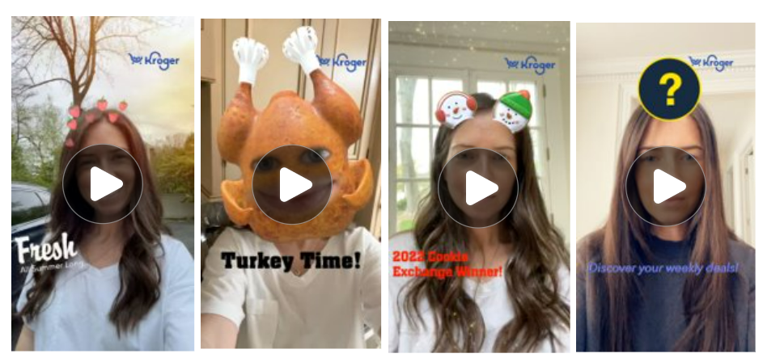
Requirements & What to Provide KPM

Type of Ad Unit |  | What is it? | Static Image Specs | Video File Specs | Tile Specs | What to Provide to KPM
Snap Ad |  | A Snap Ad is a full screen mobile ad. They appear in between or after content on Snapchat, such as User Stories, Publishers, Creators, and Our Stories. Static Images or Videos can be used for Snap Ads. | • Must be bannerized • 9:16 aspect ratio • 1080 x 1920px • PNG or JPEG • Maximum file size: 5MB • See here for logos to bannerize creative | • Does not need to be bannerized as long as video card is included at end of video. • 9:16 aspect ratio • 1080 x 1920px • MP4 or MOV • 3 to 180 seconds (if file size does not exceed 1 GB | N/A | • Static Images (bannerized) or video(s) • Copy Doc (Snap Ad)
Story Ad | 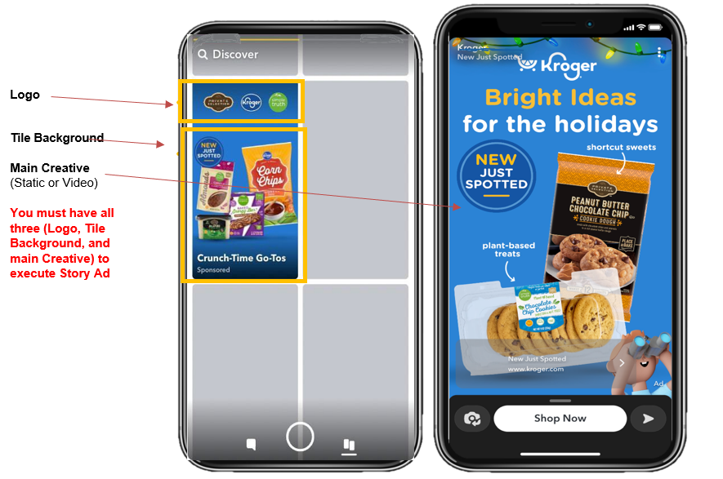 | Story Ads let you reach Snapchatters with a branded tile in Snapchat’s Discover section. Once you click the Discovery Tile, you can have 2-5 "frames" that the user can then swipe through. These “cards” can be static image OR video. |  |  | • Logo: 993 x 284px provided as a PNG on transparent background • Tile Background: One (1) high- quality image that is 360 600px, provided as an up to 2 MB PNG file | • Logo File • Tile Background File • Frames: Static Images (bannerized) or video(s) • Copy Doc (Story Ad) Final files output must include all three creative files above (+ copy doc) or Story Ad cannot be executed.
COMMERICAL AD |  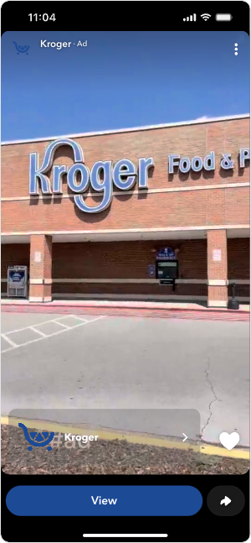 | Commercials are non-skippable six-second video ads. Commercials appear within Snapchat’s Curated Content. Standard Commercial: 3 to 6 Seconds. The full ad will be non-skippable. Extended Play Commercial: 7 to 180 seconds. Only the first 6 seconds will be non-skippable | N/A Video Only | • MP4 or MOV • Minium 3 sec • Must include audio • Does not need to be bannerized as long as video card is included at end of video. • 9:16 aspect ratio • 1080 x 1920px | N/A Video Only | • Video (Bannerized or single asset if video card is included at end of video. • Copy Doc (Use Snap Ad Sheet)
AR Lens |  | AR lenses let you reach consumers through augmented reality. AR lenses require being paired with a Snap Ad or Story Ad. | Please work with your Account Executive if you’d like to execute a Snapchat AR Lens |  |  | • AR Lens (Created by Snapchat using client-provided assets (such as product images, logos, etc.). When executing AR Lense, Snap Ad or Story ad must also be executed. Please see specs and what to provide above. • Copy Doc (AR Lens Sheet)

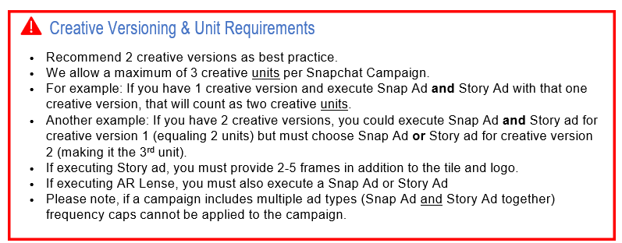

Snap Ad Creative Examples Below

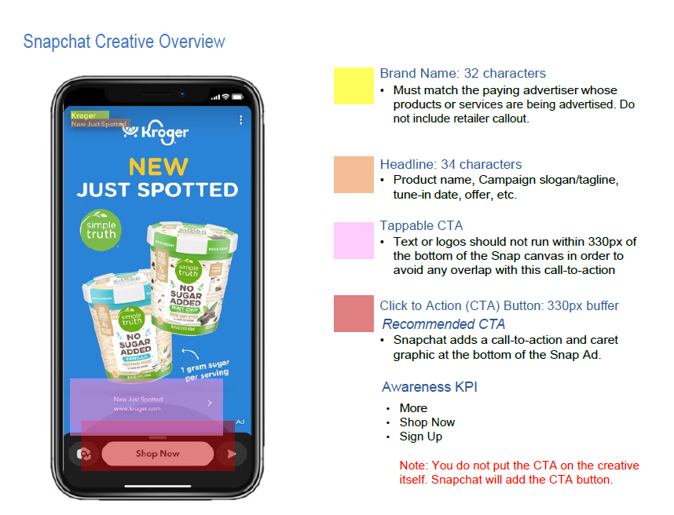

Story Ad Creative Examples Below

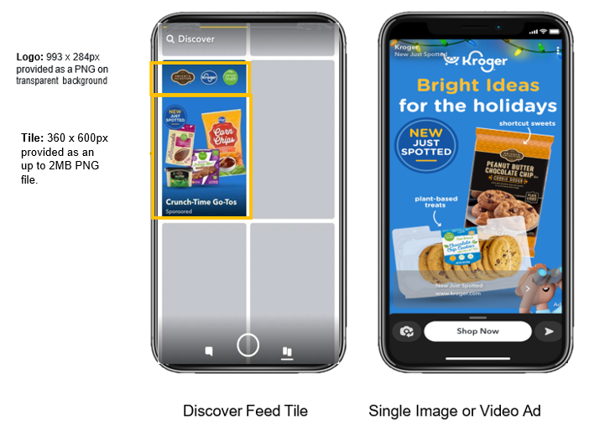

AR Lense Creative Example

